Sheet1
Model | Units | LR | DropOut | RSME | OOSR2 | SMAPE
DNN_1 | [128, 64, 32] | 0.001 | 0.2 | 43.444379909 | 0.76967497763 | 35.127033374
DNN_1 | [32, 16, 8] | 0.001 | 0 | 44.719874531 | 0.75595210327 | 37.36214097
DNN_1 | [64, 32, 16] | 0.001 | 0 | 45.655470086 | 0.74563371103 | 38.199809184 | Model | Units | LR | DropOut | RSME | OOSR2 | SMAPE
DNN_1 | [64, 32, 16] | 0.0001 | 0.2 | 46.254150601 | 0.73891895847 | 40.530412326 | DNN_1 | [128, 64, 32] | 0.001 | 0.2 | 43.444379909 | 0.76967497763 | 35.127033374
ARIMAX_1 | [2,1,2] | - | - | 46.4437 | 0.7418 | 42.3151 | DNN_5 | [64, 32, 16] | 0.0001 | 0 | 50.804353155 | 0.68628930287 | 42.565199888
DNN_1 | [128, 64, 32] | 0.001 | 0 | 47.395771845 | 0.72587217725 | 40.415583913 | DNN_22 | [32, 16, 8] | 0.0001 | 0.2 | 66.795592723 | 0.46115116769 | 49.185176746
DNN_1 | [64, 32, 16] | 0.001 | 0.2 | 47.479637301 | 0.72490119634 | 39.622492087 | GRU_1 | 128 | 0.001 | 0.2 | 68.680910558 | 0.4243665736 | 44.987071517
ARIMAX_1 | [1,1,2] | - | - | 47.7915 | 0.7266 | 43.6405 | GRU_5 | 128 | 0.001 | 0.2 | 72.962233583 | 0.3529710446 | 53.21459217
DNN_1 | [32, 16, 8] | 0.0001 | 0 | 47.885994556 | 0.72017214722 | 42.494668839 | GRU_22 | 64 | 0.001 | 0.2 | 81.837674477 | 0.19113156169 | 61.893579021
DNN_1 | [128, 64, 32] | 0.0001 | 0 | 48.308752663 | 0.7152094564 | 40.359077411 | LSTM_1 | 128 | 0.001 | 0 | 70.115701854 | 0.4000646016 | 46.49668246
DNN_1 | [128, 64, 32] | 0.0001 | 0.2 | 49.039738705 | 0.70652560814 | 40.680371822 | LSTM_5 | 128 | 0.001 | 0 | 74.456713766 | 0.32619348827 | 54.83403329
DNN_1 | [32, 16, 8] | 0.001 | 0.2 | 49.387139982 | 0.70235289009 | 40.157349462 | LSTM_22 | 32 | 0.001 | 0.2 | 82.909888908 | 0.16979757705 | 62.750987574
DNN_1 | [64, 32, 16] | 0.0001 | 0 | 50.473720908 | 0.68911156954 | 43.017000687 | ARIMAX_1 | [2,1,2] | - | - | 46.4437 | 0.7418 | 42.3151
DNN_5 | [64, 32, 16] | 0.0001 | 0 | 50.804353155 | 0.68628930287 | 42.565199888 | ARIMAX_5 | [2,1,1] | - | - | 94.3831 | -0.0614 | 109.3554
Models underestimate because the training and validation data had much lower prices (also way more stable)
....................$OOSR^2$ might not be a appropriate accuracy measure for this particular research, since the training data is very different from the test data. Hence, the average spot price in the training data is not going to be a competitive forecast. This means that the $OOSR^2$
DNN_5 | [128, 64, 32] | 0.0001 | 0.2 | 51.412185677 | 0.67873781411 | 41.873485184 | ARIMAX_22 | [2,1,2] | - | - | 88.0243 | 0.0845 | 90.6152
DNN_5 | [32, 16, 8] | 0.0001 | 0.2 | 51.430764727 | 0.67850558028 | 43.337873895
DNN_5 | [32, 16, 8] | 0.0001 | 0 | 51.750229929 | 0.67449921314 | 43.782843418
DNN_5 | [64, 32, 16] | 0.0001 | 0.2 | 52.817048838 | 0.66094064006 | 43.122570757
DNN_5 | [64, 32, 16] | 0.001 | 0 | 53.174627488 | 0.65633414281 | 43.264544146
DNN_5 | [128, 64, 32] | 0.0001 | 0 | 53.93355091 | 0.64645434482 | 42.954690051
DNN_5 | [32, 16, 8] | 0.001 | 0.2 | 55.525520383 | 0.62527492933 | 44.221720478
DNN_5 | [32, 16, 8] | 0.001 | 0 | 56.330781325 | 0.61432718703 | 45.523423768
DNN_1 | [32, 16, 8] | 0.0001 | 0.2 | 57.247122693 | 0.60007252315 | 48.0862075
ARIMAX_1 | [1,1,1] | - | - | 59.704 | 0.5733 | 54.2964
ARIMAX_1 | [2,1,1] | - | - | 59.9364 | 0.57 | 54.6234
DNN_5 | [64, 32, 16] | 0.001 | 0.2 | 60.488992067 | 0.5552866457 | 51.264471415
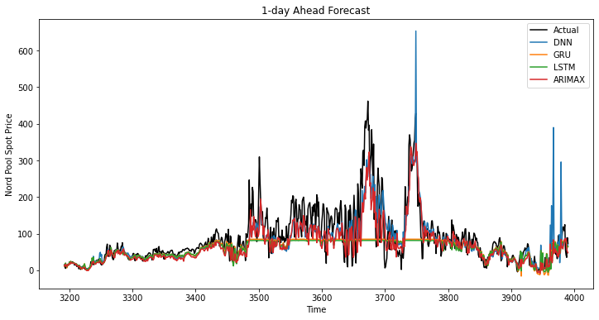
DNN_5 | [128, 64, 32] | 0.001 | 0.2 | 62.348257102 | 0.52752796255 | 55.814753347
DNN_5 | [128, 64, 32] | 0.001 | 0 | 62.616100796 | 0.5234598303 | 53.384518632
DNN_22 | [32, 16, 8] | 0.0001 | 0.2 | 66.795592723 | 0.46115116769 | 49.185176746
DNN_22 | [64, 32, 16] | 0.0001 | 0 | 67.590396576 | 0.44825129909 | 49.269596983
DNN_22 | [64, 32, 16] | 0.0001 | 0.2 | 67.61087472 | 0.44791691724 | 49.325418851
DNN_22 | [32, 16, 8] | 0.0001 | 0 | 68.042794615 | 0.44084061972 | 49.006533748
GRU_1 | 128 | 0.001 | 0.2 | 68.680910558 | 0.4243665736 | 44.987071517
GRU_1 | 128 | 0.001 | 0 | 68.763695286 | 0.42297805455 | 44.883941802
DNN_22 | [128, 64, 32] | 0.0001 | 0 | 68.793111901 | 0.42844077188 | 50.488058239
DNN_22 | [128, 64, 32] | 0.0001 | 0.2 | 69.206607665 | 0.42154916337 | 51.541658581
LSTM_1 | 128 | 0.001 | 0 | 70.115701854 | 0.4000646016 | 46.49668246
LSTM_1 | 128 | 0.001 | 0.2 | 70.352210161 | 0.39601047373 | 47.626495717
GRU_1 | 64 | 0.001 | 0.2 | 72.49323017 | 0.35868880751 | 46.025670976
GRU_1 | 64 | 0.001 | 0 | 72.719373751 | 0.35468140936 | 48.334107276
GRU_5 | 128 | 0.001 | 0.2 | 72.962233583 | 0.3529710446 | 53.21459217
GRU_5 | 128 | 0.001 | 0 | 73.238645095 | 0.34805932479 | 53.210453725
LSTM_5 | 128 | 0.001 | 0 | 74.456713766 | 0.32619348827 | 54.83403329
LSTM_5 | 128 | 0.001 | 0.2 | 74.806495135 | 0.31984782647 | 55.552126697
LSTM_1 | 64 | 0.001 | 0 | 74.862537491 | 0.31608362285 | 50.220261393
LSTM_1 | 64 | 0.001 | 0.2 | 75.011455507 | 0.31335999707 | 50.679794657
GRU_5 | 64 | 0.001 | 0 | 75.114681902 | 0.3142321194 | 53.839663786
GRU_5 | 64 | 0.001 | 0.2 | 75.419049478 | 0.30866334418 | 55.20771482
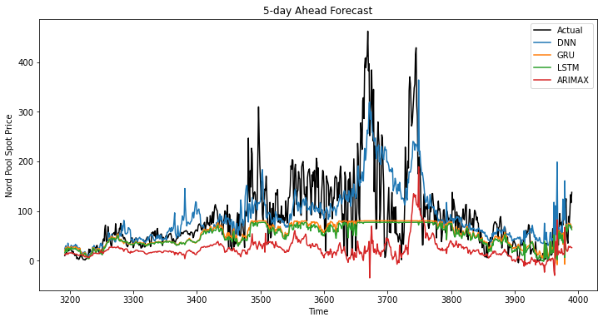
DNN_22 | [32, 16, 8] | 0.001 | 0.2 | 76.881457899 | 0.28613752962 | 63.753611327
LSTM_5 | 64 | 0.001 | 0 | 76.940616271 | 0.28048674927 | 57.372163923
LSTM_5 | 64 | 0.001 | 0.2 | 76.982723492 | 0.27969899907 | 57.311155205
GRU_1 | 32 | 0.001 | 0 | 77.701991459 | 0.26321934288 | 52.458857931
GRU_1 | 32 | 0.001 | 0.2 | 78.078201356 | 0.25606752627 | 51.319603091
GRU_5 | 32 | 0.001 | 0 | 78.719395005 | 0.24683354193 | 56.423762449
GRU_5 | 32 | 0.001 | 0.2 | 78.982536212 | 0.24178979428 | 57.129105991
DNN_22 | [32, 16, 8] | 0.001 | 0 | 80.082996633 | 0.22544553567 | 63.617823261
LSTM_1 | 32 | 0.001 | 0.2 | 80.35375094 | 0.21207255955 | 54.462147129
LSTM_1 | 32 | 0.001 | 0 | 80.393563646 | 0.21129158059 | 53.910961935
LSTM_5 | 32 | 0.001 | 0.2 | 81.135978878 | 0.19988127247 | 60.404534814
LSTM_5 | 32 | 0.001 | 0 | 81.197022496 | 0.19867686189 | 59.937065971
GRU_22 | 64 | 0.001 | 0.2 | 81.837674477 | 0.19113156169 | 61.893579021
GRU_22 | 32 | 0.001 | 0 | 81.874525604 | 0.19040293824 | 62.994123945
GRU_22 | 32 | 0.001 | 0.2 | 82.115952237 | 0.18562131737 | 62.598593914
GRU_22 | 64 | 0.001 | 0 | 82.240199242 | 0.1831550326 | 62.494953844
LSTM_22 | 32 | 0.001 | 0.2 | 82.909888908 | 0.16979757705 | 62.750987574
LSTM_22 | 64 | 0.001 | 0.2 | 82.91922202 | 0.16961065584 | 64.435792922
LSTM_22 | 32 | 0.001 | 0 | 83.147913577 | 0.16502390492 | 63.552133893
GRU_1 | 128 | 0.0001 | 0 | 83.646740265 | 0.14616892171 | 61.008203023
GRU_1 | 128 | 0.0001 | 0.2 | 83.763624644 | 0.14378104044 | 61.070782977
LSTM_22 | 64 | 0.001 | 0 | 83.815190833 | 0.15156845688 | 65.244727157
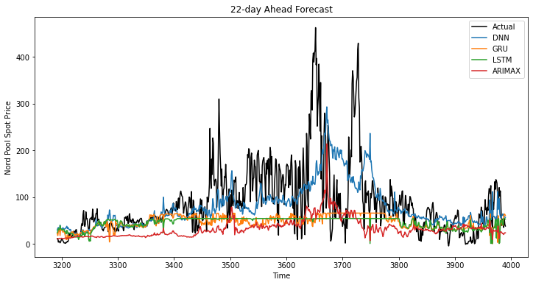
GRU_22 | 128 | 0.001 | 0 | 83.999753483 | 0.14782781803 | 65.377148493
GRU_5 | 128 | 0.0001 | 0.2 | 84.228654923 | 0.13772219801 | 62.155025376
GRU_5 | 128 | 0.0001 | 0 | 84.309148177 | 0.1360733361 | 62.356836536
LSTM_22 | 128 | 0.001 | 0.2 | 84.692418376 | 0.13371578981 | 67.569025983
GRU_22 | 128 | 0.001 | 0.2 | 84.764333587 | 0.13224398246 | 66.278603683
GRU_22 | 128 | 0.0001 | 0.2 | 85.272226883 | 0.12181393891 | 65.274309833
GRU_22 | 128 | 0.0001 | 0 | 85.559359989 | 0.11588983356 | 65.752816601
LSTM_22 | 128 | 0.001 | 0 | 85.66345399 | 0.11373725672 | 69.874522962
LSTM_1 | 128 | 0.0001 | 0.2 | 87.004089648 | 0.076252553719 | 66.405817822
LSTM_1 | 128 | 0.0001 | 0 | 87.29921867 | 0.069974985144 | 66.85212658
LSTM_5 | 128 | 0.0001 | 0.2 | 87.491498619 | 0.069622527121 | 67.876620333
LSTM_5 | 128 | 0.0001 | 0 | 87.533485386 | 0.06872934513 | 67.935839458
ARIMAX_22 | [2,1,2] | - | - | 88.0243 | 0.0845 | 90.6152
LSTM_22 | 128 | 0.0001 | 0.2 | 88.196978097 | 0.06053903371 | 69.385494771
ARIMAX_22 | [2,1,1] | - | - | 88.2141 | 0.0805 | 90.7425
ARIMAX_22 | [1,1,2] | - | - | 88.2691 | 0.0794 | 90.7903
LSTM_22 | 128 | 0.0001 | 0 | 88.279003884 | 0.058790768375 | 69.554437449
DNN_22 | [128, 64, 32] | 0.001 | 0 | 88.772071345 | 0.048247476204 | 54.222509968
ARIMAX_22 | [1,1,1] | - | - | 88.925 | 0.0657 | 91.924
ARIMAX_22 | [1,1,2] | - | - | 91.7566 | 0.0052 | 101.573
ARIMAX_22 | [2,2,2] | - | - | 92.2491 | -0.0055 | 106.047
GRU_5 | 64 | 0.0001 | 0.2 | 92.516485583 | -0.040317080677 | 79.846369599
GRU_1 | 64 | 0.0001 | 0.2 | 92.574145303 | -0.045811320364 | 80.383992475
GRU_1 | 64 | 0.0001 | 0 | 92.659598392 | -0.047742940784 | 80.605278337
GRU_22 | 64 | 0.0001 | 0.2 | 92.702167654 | -0.037889477203 | 79.433415601
GRU_5 | 64 | 0.0001 | 0 | 92.800954881 | -0.046724441316 | 80.512603628
GRU_22 | 64 | 0.0001 | 0 | 92.888950554 | -0.04207611734 | 79.909653195
DNN_22 | [64, 32, 16] | 0.001 | 0 | 93.827816924 | -0.063247949043 | 92.082787672
ARIMAX_5 | [2,1,1] | - | - | 94.3831 | -0.0614 | 109.3554
DNN_22 | [128, 64, 32] | 0.001 | 0.2 | 94.679487137 | -0.082637643736 | 94.531124575
DNN_22 | [64, 32, 16] | 0.001 | 0.2 | 94.925218738 | -0.088264702521 | 95.484193482
LSTM_1 | 64 | 0.0001 | 0 | 95.110720025 | -0.10390793545 | 86.72435385
ARIMAX_22 | [1,2,1] | - | - | 95.1669 | -0.0701 | 119.6919
LSTM_1 | 64 | 0.0001 | 0.2 | 95.33322089 | -0.10907891454 | 87.3425751
LSTM_22 | 64 | 0.0001 | 0 | 95.773054404 | -0.10779144382 | 87.526064921
LSTM_5 | 64 | 0.0001 | 0.2 | 95.804257156 | -0.11557067879 | 88.183217026
LSTM_5 | 64 | 0.0001 | 0 | 95.953601169 | -0.11905139379 | 88.606193684
LSTM_22 | 64 | 0.0001 | 0.2 | 95.990070398 | -0.11281750963 | 88.158135365
ARIMAX_5 | [1,1,1] | - | - | 96.8335 | -0.1173 | 114.589
ARIMAX_5 | [1,1,2] | - | - | 97.5696 | -0.1343 | 116.2066
ARIMAX_5 | [2,1,2] | - | - | 98.5516 | -0.1573 | 118.4866
GRU_5 | 32 | 0.0001 | 0.2 | 99.777667052 | -0.21002450578 | 100.31040529
GRU_1 | 32 | 0.0001 | 0 | 99.866475707 | -0.21706385328 | 101.10744664
GRU_1 | 32 | 0.0001 | 0.2 | 100.35868595 | -0.2290904629 | 102.85743751
GRU_22 | 32 | 0.0001 | 0.2 | 100.44523931 | -0.21851265978 | 102.52048353
GRU_22 | 32 | 0.0001 | 0 | 100.68905875 | -0.22443544252 | 103.40650086
GRU_5 | 32 | 0.0001 | 0 | 100.78940232 | -0.23468796529 | 103.87153569
LSTM_1 | 32 | 0.0001 | 0.2 | 102.39193041 | -0.27939714774 | 110.56103664
LSTM_1 | 32 | 0.0001 | 0 | 102.87533027 | -0.2915059202 | 112.46818857
LSTM_5 | 32 | 0.0001 | 0.2 | 102.95213539 | -0.2882441924 | 112.21278005
LSTM_22 | 32 | 0.0001 | 0.2 | 103.18188806 | -0.28581435825 | 113.02841326
LSTM_5 | 32 | 0.0001 | 0 | 103.29270146 | -0.2967813234 | 113.58405044
LSTM_22 | 32 | 0.0001 | 0 | 103.83196212 | -0.30206735943 | 115.68852733
ARIMAX_22 | [2,2,1] | - | - | 105.8017 | -0.3226 | 148.1129 |  |  |  |  |  |  | Models underestimate because the training and validation data had much lower prices (also way more stable)
ARIMAX_1 | [2,2,2] | - | - | 114.1727 | -0.5604 | 146.0399
ARIMAX_1 | [2,2,1] | - | - | 114.4673 | -0.5684 | 149.334 |  |  |  |  |  |  | ....................$OOSR^2$ might not be a appropriate accuracy measure for this particular research | since the training data is very different from the test data. Hence | the average spot price in the training data is not going to be a competitive forecast. This means that the $OOSR^2$
ARIMAX_1 | [1,2,1] | - | - | 115.4401 | -0.5952 | 159.2301
ARIMAX_1 | [1,2,1] | - | - | 116.0471 | -0.612 | 149.2298
ARIMAX_5 | [2,2,2] | - | - | 122.6303 | -0.7918 | 177.0151
ARIMAX_5 | [2,2,1] | - | - | 124.8766 | -0.8581 | 180.7645
ARIMAX_5 | [1,2,2] | - | - | 125.7405 | -0.8839 | 176.9664
ARIMAX_5 | [1,2,1] | - | - | 129.1192 | -0.9865 | 182.3882

